Company Overview
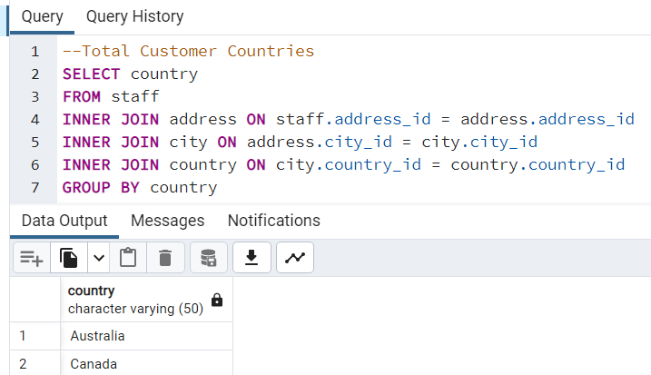
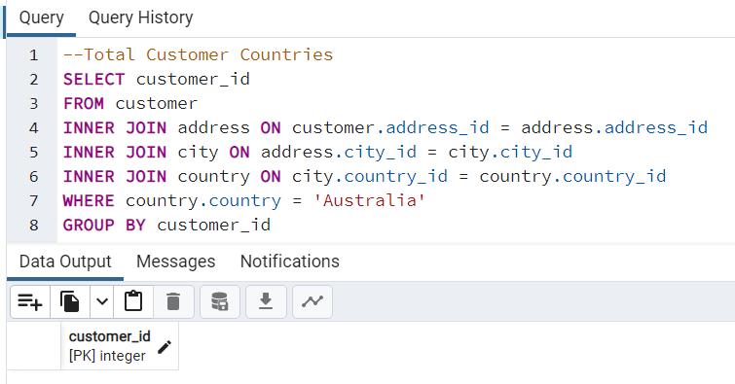
Rockbuster Company Overview

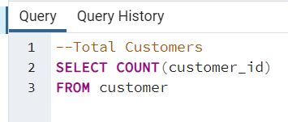
 | Company Numbers
 | Total Customers: | 599
 | Total Customer Countries: | *108
 | Total Films: | 1000
 | Total Movie Genres: | 20
 | Total Revenue: | $61,312.04

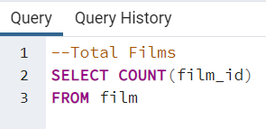
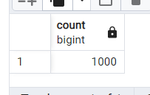

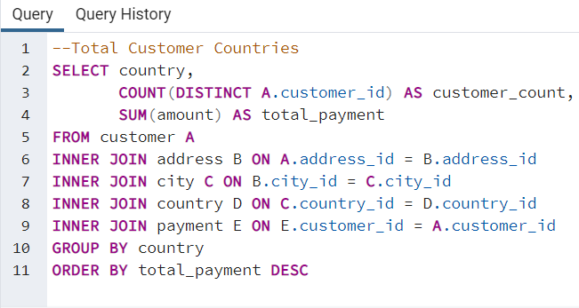

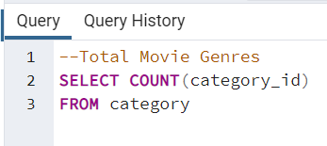
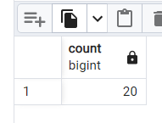

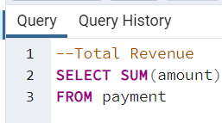
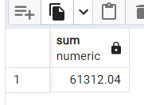

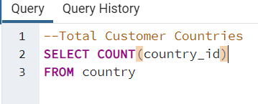
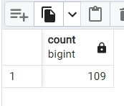

 | *NOTE: There are 109 country ID's because one is a staff member

Movie Statistics
Descriptive Statistics for Rockbuster: Rental Duration, Rental Rates, Replacement Costs, Movie Length
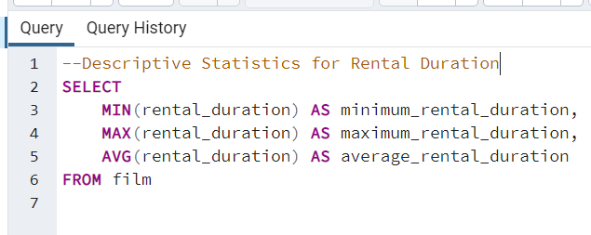
 | Rental Duration (Days)
 | Minimum | Maximum | Average
 | 3 | 7 | 4.985

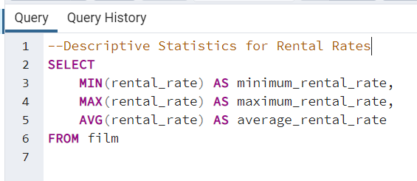
 | Rental Rates
 | Minimum | Maximum | Average
 | $0.99 | $4.99 | $2.98

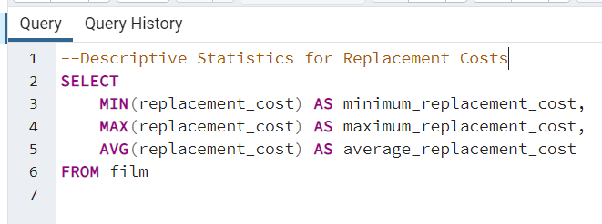
 | Replacement Costs
 | Minimum | Maximum | Average
 | $9.99 | $29.99 | $19.98

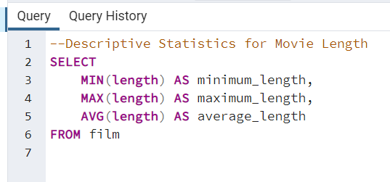
 | Movie Length (Minutes)
 | Minimum | Maximum | Average
 | 46 | 185 | 115.272

Movie Averages
Movie Averages by Genre: Rental Duration, Rental Rate, Movie Length, Replacement Cost |  |  |  |  |  | Correlation:

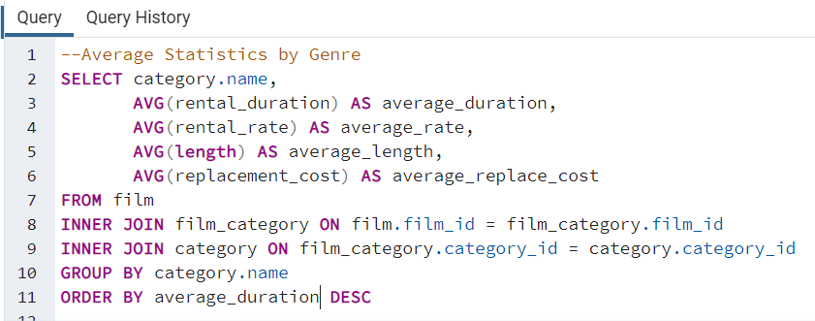
 | name | average_duration | average_rate | average_length | average_replace_cost |  | average_duration | average_length
 | Thriller | 6 | 2.99 | 130 | 22.99 | average_duration | 1
 | Travel | 5.350877193 | 3.2356140351 | 113.31578947 | 19.025087719 | average_length | 0.44701322445 | 1
 | Music | 5.2352941176 | 2.9507843137 | 113.64705882 | 19.440980392
 | Family | 5.1617647059 | 2.7547058824 | 114.55882353 | 19.681176471 |  | average_duration | average_replace_cost
 | Foreign | 5.1095890411 | 3.0995890411 | 121.69863014 | 18.647534247 | average_duration | 1
 | Drama | 5.0806451613 | 3.0222580645 | 120.83870968 | 21.086774194 | average_replace_cost | 0.47022213994 | 1
 | Classics | 5.0701754386 | 2.7443859649 | 111.66666667 | 21.00754386
 | Games | 5.0655737705 | 3.252295082 | 127.83606557 | 20.285081967 |  | average_duration | average_rate
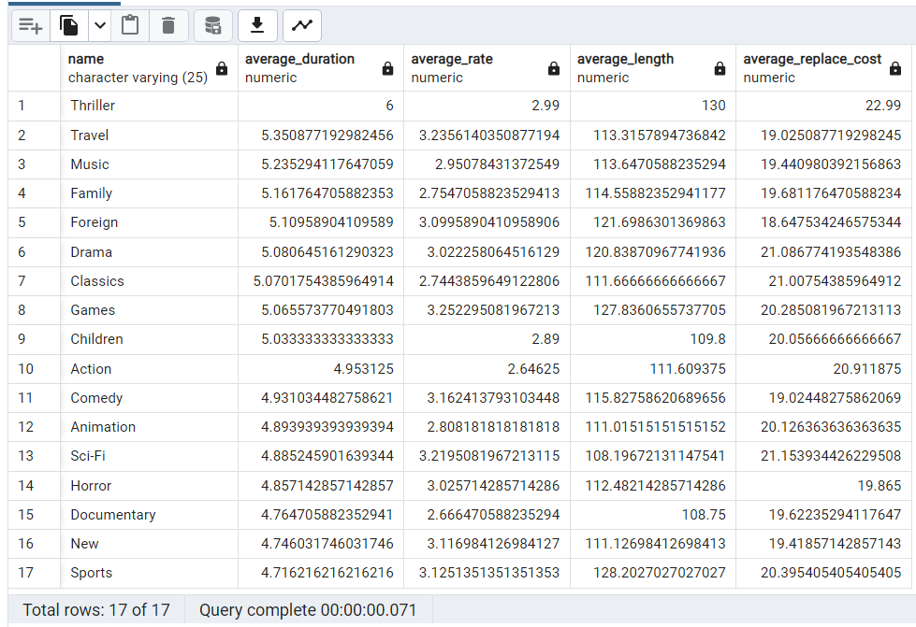
 | Children | 5.0333333333 | 2.89 | 109.8 | 20.056666667 | average_duration | 1
 | Action | 4.953125 | 2.64625 | 111.609375 | 20.911875 | average_rate | 0.055821053384 | 1
 | Comedy | 4.9310344828 | 3.1624137931 | 115.82758621 | 19.024482759
 | Animation | 4.8939393939 | 2.8081818182 | 111.01515152 | 20.126363636
 | Sci-Fi | 4.8852459016 | 3.2195081967 | 108.19672131 | 21.153934426
 | Horror | 4.8571428571 | 3.0257142857 | 112.48214286 | 19.865
 | Documentary | 4.7647058824 | 2.6664705882 | 108.75 | 19.622352941
 | New | 4.746031746 | 3.116984127 | 111.12698413 | 19.418571429
 | Sports | 4.7162162162 | 3.1251351351 | 128.2027027 | 20.395405405

Movie Title Revenues
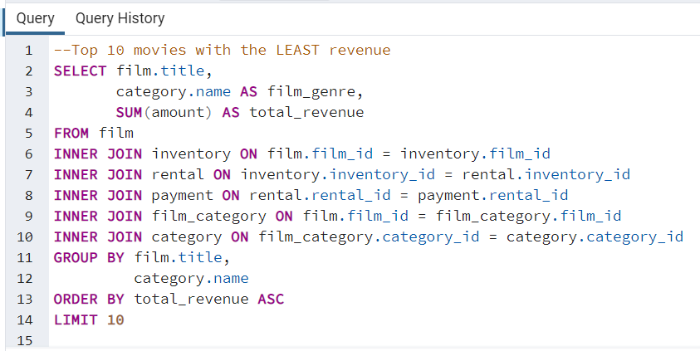
Revenues Collected Grouped by Movie Title

ANALYST NOTE: I included the "Film Genre" to see if any particular genre appeared significantly more often than any other.
There doesn't seem to be any particular genre that has a heavy weightingin the top/bottom ten movies

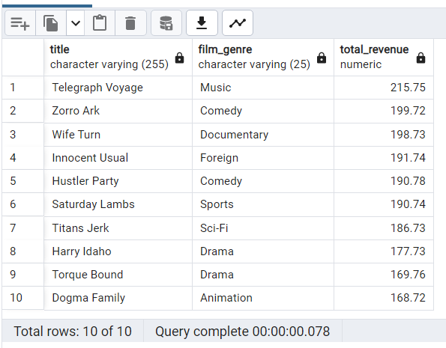
NOTE: Oklahoma Jumanji does not have a genre attached to it yet

Movies with the most revenue

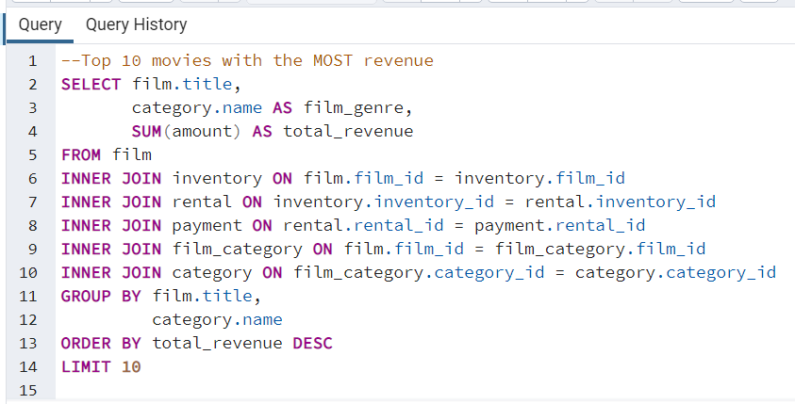

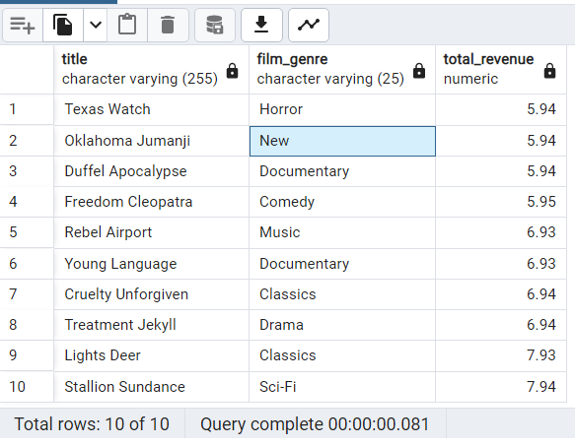
Movies with the least revenue

Movie Genre Revenues
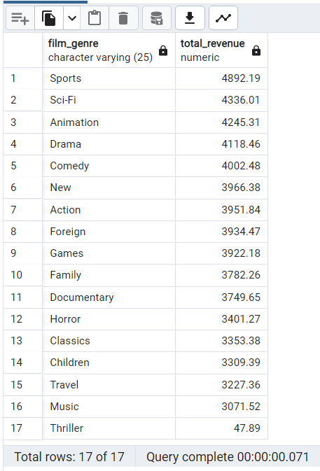
Revenues Collected Grouped by Movie Genre
 |  |  |  |  | NOTE: War, Romance and Crime genres do not appear on the revenue list which would imply they earned $0 of revenue
 | Top 5 Movie Genres and Revenue
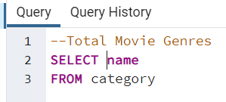
 | Genre | Revenue | % of Total Revenue |  |  | film_genre | total_revenue
 | Sports | $4,892.19 | 7.98% |  |  | Sports | $4,892.19
 | Sci-Fi | $4,336.01 | 7.07% |  |  | Sci-Fi | $4,336.01
 | Animation | $4,245.31 | 6.92% |  |  | Animation | $4,245.31
 | Drama | $4,118.46 | 6.72% |  |  | Drama | $4,118.46
 | Comedy | $4,002.48 | 6.53% |  |  | Comedy | $4,002.48
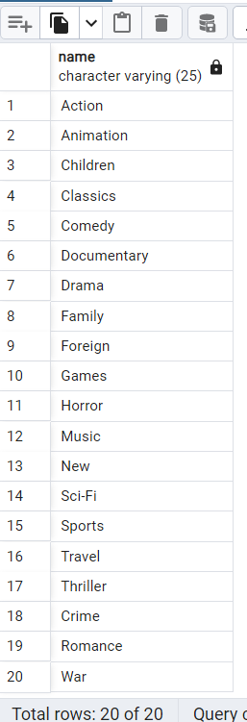
 | Total: | $21,594.45 | 35.22% |  |  | New | $3,966.38
 |  |  |  |  |  | Action | $3,951.84
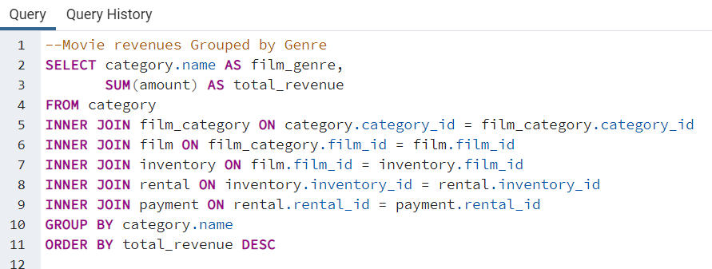
 |  |  |  |  |  | Foreign | $3,934.47
 |  |  |  |  |  | Games | $3,922.18
 |  |  |  |  |  | Family | $3,782.26
 |  |  |  |  |  | Documentary | $3,749.65
 |  |  |  |  |  | Horror | $3,401.27
 |  |  |  |  |  | Classics | $3,353.38
 |  |  |  |  |  | Children | $3,309.39
 |  |  |  |  |  | Travel | $3,227.36
 |  |  |  |  |  | Music | $3,071.52
 |  |  |  |  |  | Thriller | $47.89

 |  |  |  | Total Revenue from All Genres: | $61,312.04

Top Countries
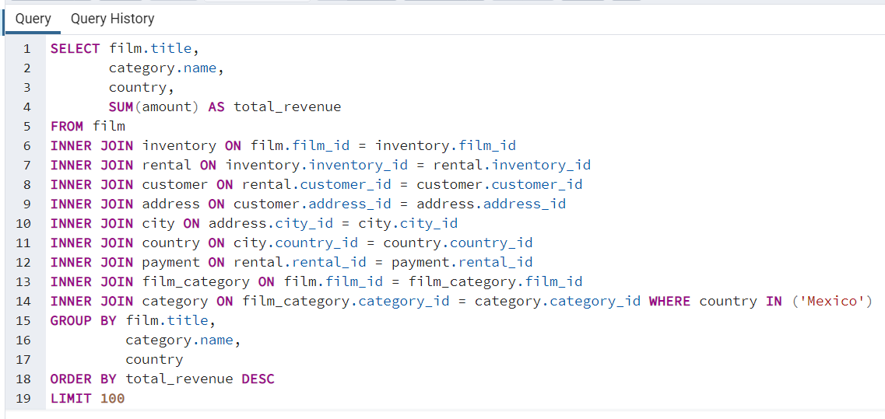
 |  |  |  |  |  | country | customer_count | total_payment | Top 100 India Movies |  |  |  | Top 100 Japan Movies |  |  |  | Top 100 China Movies |  |  |  | Top 100 Mexico Movies |  |  |  | Top 100 US Movies |  |  |  | Top 10 Taiwain Movies
 | Countries with the Most Number of Customers & Revenue |  |  |  |  | India | 60 | $6,034.78 | title | name | country | total_revenue | title | name | country | total_revenue | title | name | country | total_revenue | title | name | country | total_revenue | title | name | country | total_revenue | title | name | country | total_revenue
 |  |  |  |  |  | China | 53 | $5,251.03 | Wife Turn | Documentary | India | $67.91 | Sting Personal | New | Japan | $29.97 | Zorro Ark | Comedy | China | $35.95 | Working Microcosmos | Travel | Mexico | $31.96 | Show Lord | Documentary | United States | $32.95 | Secrets Paradise | Family | Taiwan | $18.98
 |  |  |  | Grand Totals |  | United States | 36 | $3,685.31 | Innocent Usual | Foreign | India | $52.92 | Pinocchio Simon | Comedy | Japan | $25.97 | Secrets Paradise | Family | China | $34.96 | Beverly Outlaw | Sci-Fi | Mexico | $28.96 | Scorpion Apollo | Drama | United States | $26.96 | Ishtar Rocketeer | Animation | Taiwan | $15.98
 | Top 10 Countries |  |  | Customers: | 599 | Japan | 31 | $3,122.51 | Sabrina Midnight | Children | India | $41.93 | Coneheads Smoochy | Drama | Japan | $23.96 | Balloon Homeward | Music | China | $32.93 | Streetcar Intentions | Horror | Mexico | $26.96 | Hustler Party | Comedy | United States | $24.97 | Titanic Boondock | Animation | Taiwan | $15.97
1 | India | 60 | $6,034.78 | Customer Countries: | 108 | Mexico | 30 | $2,984.82 | Secret Groundhog | Documentary | India | $38.93 | Apache Divine | Family | Japan | $23.96 | Range Moonwalker | Family | China | $27.96 | Lust Lock | Action | Mexico | $26.95 | Moonwalker Fool | Games | United States | $23.97 | Forrester Comancheros | Animation | Taiwan | $14.97
2 | China | 53 | $5,251.03 | Total Revenue: | $61,312.04 | Brazil | 28 | $2,919.19 | Harry Idaho | Drama | India | $36.95 | Maiden Home | New | Japan | $21.97 | Maltese Hope | Games | China | $27.95 | Zorro Ark | Comedy | Mexico | $23.97 | Titans Jerk | Sci-Fi | United States | $22.97 | Interview Liaisons | New | Taiwan | $13.98
3 | United States | 36 | $3,685.31 |  |  | Russian Federation | 28 | $2,765.62 | Whisperer Giant | Sci-Fi | India | $30.96 | Goodfellas Salute | Sci-Fi | Japan | $21.97 | Eagles Panky | New | China | $26.97 | Easy Gladiator | Action | Mexico | $22.97 | Cupboard Sinners | Documentary | United States | $21.96 | Zorro Ark | Comedy | Taiwan | $12.98
4 | Japan | 31 | $3,122.51 |  |  | Philippines | 20 | $2,219.70 | Jerk Paycheck | Classics | India | $30.95 | Scorpion Apollo | Drama | Japan | $21.97 | Doors President | Animation | China | $25.97 | Opus Ice | Foreign | Mexico | $22.96 | Range Moonwalker | Family | United States | $20.98 | Galaxy Sweethearts | Classics | Taiwan | $12.98
5 | Mexico | 30 | $2,984.82 |  |  | Turkey | 15 | $1,498.49 | Hustler Party | Comedy | India | $27.97 | Fargo Gandhi | Children | Japan | $21.97 | Memento Zoolander | Comedy | China | $25.96 | Angels Life | New | Mexico | $21.97 | English Bulworth | Sci-Fi | United States | $19.96 | Poseidon Forever | Sports | Taiwan | $12.98
6 | Brazil | 28 | $2,919.19 |  |  | Indonesia | 14 | $1,352.69 | Torque Bound | Drama | India | $27.96 | Spice Sorority | Drama | Japan | $21.96 | Enemy Odds | Music | China | $25.96 | Witches Panic | Drama | Mexico | $20.96 | Boogie Amelie | Music | United States | $19.96 | Closer Bang | Comedy | Taiwan | $12.98
7 | Russian Federation | 28 | $2,765.62 |  |  | Nigeria | 13 | $1,314.92 | Enemy Odds | Music | India | $27.96 | Seattle Expecations | Drama | Japan | $19.97 | Forrester Comancheros | Animation | China | $25.95 | Bright Encounters | Drama | Mexico | $19.98 | Fool Mockingbird | Action | United States | $18.98 | Secret Groundhog | Documentary | Taiwan | $11.98
8 | Philippines | 20 | $2,219.70 |  |  | Argentina | 13 | $1,298.80 | Idaho Love | New | India | $26.96 | Money Harold | New | Japan | $19.97 | Casualties Encino | Action | China | $24.97 | Hysterical Grail | Sports | Mexico | $19.97 | Human Graffiti | Games | United States | $18.97
9 | Turkey | 15 | $1,498.49 |  |  | Taiwan | 10 | $1,155.10 | Satisfaction Confidential | Sports | India | $25.97 | Chasing Fight | Family | Japan | $19.97 | Closer Bang | Comedy | China | $24.96 | Suit Walls | Games | Mexico | $17.97 | Bright Encounters | Drama | United States | $18.97 | Top 10 Canada Movies
10 | Indonesia | 14 | $1,352.69 |  |  | South Africa | 11 | $1,069.46 | Lola Agent | Horror | India | $25.96 | Angels Life | New | Japan | $19.95 | Alien Center | Foreign | China | $24.95 | Saturday Lambs | Sports | Mexico | $16.98 | Streetcar Intentions | Horror | United States | $18.97 | title | name | country | total_revenue
 | Total | 315 | $31,834.14 |  |  | Iran | 8 | $877.96 | Ghost Groundhog | Children | India | $25.96 | Expecations Natural | Travel | Japan | $18.97 | Sunrise League | Animation | China | $23.97 | Beauty Grease | Drama | Mexico | $16.97 | Rocky War | Drama | United States | $17.98 | Hustler Party | Comedy | Canada | $18.98
 | % of Grand Total | 52.59% | 51.92% |  |  | United Kingdom | 9 | $850.96 | High Encino | Horror | India | $24.97 | Pelican Comforts | Documentary | Japan | $18.97 | Behavior Runaway | Horror | China | $23.97 | Apache Divine | Family | Mexico | $16.97 | Zorro Ark | Comedy | United States | $17.97 | Telegraph Voyage | Music | Canada | $16.98
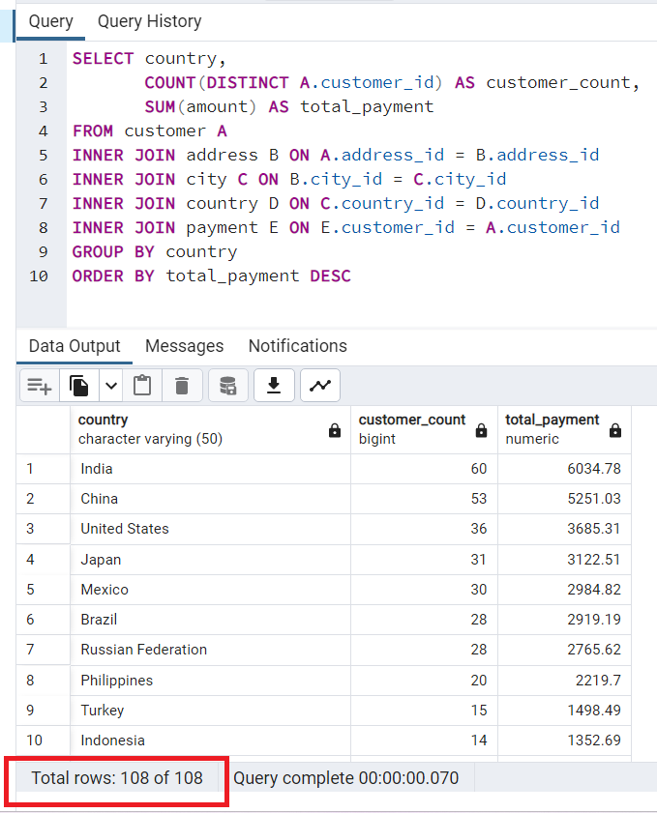
 |  |  |  |  |  | Poland | 8 | $786.16 | Beauty Grease | Drama | India | $24.96 | Metropolis Coma | Sci-Fi | Japan | $18.97 | Velvet Terminator | Comedy | China | $23.97 | Silverado Goldfinger | Sci-Fi | Mexico | $15.98 | Heavyweights Beast | Documentary | United States | $17.97 | Hanky October | Sci-Fi | Canada | $15.97
 |  |  |  |  |  | Italy | 7 | $753.26 | Aladdin Calendar | Sports | India | $24.96 | Italian African | Travel | Japan | $18.97 | Pelican Comforts | Documentary | China | $23.97 | Image Princess | Sports | Mexico | $15.98 | Impossible Prejudice | Foreign | United States | $17.97 | Videotape Arsenic | Games | Canada | $14.97
 |  |  |  |  |  | Germany | 7 | $741.24 | Kiss Glory | Foreign | India | $24.96 | Desert Poseidon | Horror | Japan | $17.97 | Witches Panic | Drama | China | $22.97 | Sagebrush Clueless | Documentary | Mexico | $15.98 | Alabama Devil | Horror | United States | $17.97 | Snatch Slipper | Comedy | Canada | $12.98
 |  |  |  |  |  | Vietnam | 6 | $676.45 | Truman Crazy | Action | India | $24.95 | Wait Cider | Animation | Japan | $17.96 | Roses Treasure | Sports | China | $22.96 | Peach Innocent | Sports | Mexico | $15.98 | Island Exorcist | Classics | United States | $17.95 | Thief Pelican | Animation | Canada | $12.98
 |  |  |  |  |  | Ukraine | 6 | $675.53 | Bilko Anonymous | Family | India | $23.97 | Gunfighter Mussolini | Sports | Japan | $16.98 | Jekyll Frogmen | New | China | $22.95 | Road Roxanne | Documentary | Mexico | $15.98 | Velvet Terminator | Comedy | United States | $16.98 | Show Lord | Documentary | Canada | $10.99
 |  |  |  |  |  | Colombia | 6 | $661.54 | Command Darling | Foreign | India | $23.97 | Sweet Brotherhood | Travel | Japan | $16.98 | Nightmare Chill | Games | China | $21.97 | Harry Idaho | Drama | Mexico | $15.97 | Strangers Graffiti | Horror | United States | $16.98 | Invasion Cyclone | Children | Canada | $10.98
 |  |  |  |  |  | Egypt | 6 | $659.48 | Saturday Lambs | Sports | India | $23.96 | Cause Date | Documentary | Japan | $16.97 | Falcon Volume | Animation | China | $21.96 | Dinosaur Secretary | Family | Mexico | $15.96 | Flamingos Connecticut | New | United States | $16.98 | Day Unfaithful | New | Canada | $9.99
 |  |  |  |  |  | Venezuela | 7 | $632.43 | Fidelity Devil | Horror | India | $22.97 | Fellowship Autumn | Travel | Japan | $16.97 | Mine Titans | New | China | $20.98 | Wardrobe Phantom | Drama | Mexico | $15.95 | Teen Apollo | Travel | United States | $16.98 | Moonshine Cabin | Games | Canada | $9.99
 |  |  |  |  |  | Canada | 5 | $559.70 | Arizona Bang | Classics | India | $22.97 | Confidential Interview | Music | Japan | $15.97 | Candidate Perdition | Classics | China | $20.97 | Desert Poseidon | Horror | Mexico | $14.98 | Casper Dragonfly | Children | United States | $16.97
 |  |  |  |  |  | Netherlands | 5 | $557.73 | Hunchback Impossible | Drama | India | $22.97 | Attacks Hate | Sci-Fi | Japan | $15.97 | Secretary Rouge | Sports | China | $20.97 | Trap Guys | Foreign | Mexico | $14.98 | Agent Truman | Foreign | United States | $16.97 | Top 10 Vietnam Movies
 |  |  |  |  |  | South Korea | 5 | $527.77 | Flamingos Connecticut | New | India | $22.96 | Telemark Heartbreakers | Animation | Japan | $15.97 | Suit Walls | Games | China | $20.97 | Steel Santa | Classics | Mexico | $14.97 | Rage Games | Family | United States | $16.97 | title | name | country | total_revenue
 |  |  |  |  |  | Spain | 5 | $513.80 | Coneheads Smoochy | Drama | India | $22.96 | Newton Labyrinth | Foreign | Japan | $15.95 | Innocent Usual | Foreign | China | $20.97 | Holiday Games | Foreign | Mexico | $14.97 | Cincinatti Whisperer | Sci-Fi | United States | $16.97 | Harry Idaho | Drama | Vietnam | $16.98
 |  |  |  |  |  | Yemen | 4 | $473.93 | Trip Newton | Action | India | $22.96 | Head Stranger | Games | Japan | $14.98 | Maiden Home | New | China | $20.97 | Anthem Luke | Comedy | Mexico | $14.97 | Dream Pickup | Action | United States | $16.97 | Dawn Pond | Games | Vietnam | $13.98
 |  |  |  |  |  | Pakistan | 5 | $473.84 | Connecticut Tramp | Sci-Fi | India | $21.97 | Satisfaction Confidential | Sports | Japan | $14.98 | Packer Madigan | Animation | China | $20.93 | Trading Pinocchio | Sports | Mexico | $14.97 | Pickup Driving | Sports | United States | $15.98 | Valley Packer | Comedy | Vietnam | $12.98
 |  |  |  |  |  | Saudi Arabia | 5 | $452.94 | Kissing Dolls | Action | India | $21.97 | Heartbreakers Bright | Children | Japan | $14.98 | Moonshine Cabin | Games | China | $19.97 | Cause Date | Documentary | Mexico | $14.97 | Harry Idaho | Drama | United States | $15.98 | Virgin Daisy | Drama | Vietnam | $12.98
 |  |  |  |  |  | Peru | 4 | $407.01 | Jet Neighbors | Foreign | India | $21.96 | Whisperer Giant | Sci-Fi | Japan | $14.98 | Steel Santa | Classics | China | $18.97 | Murder Antitrust | Children | Mexico | $14.96 | Sons Interview | Animation | United States | $15.98 | Scalawag Duck | Music | Vietnam | $11.98
 |  |  |  |  |  | Thailand | 3 | $401.08 | Lies Treatment | Drama | India | $21.96 | Liaisons Sweet | Travel | Japan | $14.98 | Name Detective | Games | China | $18.97 | Dawn Pond | Games | Mexico | $13.98 | Saturday Lambs | Sports | United States | $15.98 | Vanilla Day | Games | Vietnam | $11.98
 |  |  |  |  |  | Israel | 4 | $379.13 | Sting Personal | New | India | $21.96 | Airplane Sierra | Comedy | Japan | $14.97 | Horn Working | Animation | China | $18.97 | Fiddler Lost | Sci-Fi | Mexico | $13.98 | Virgin Daisy | Drama | United States | $15.97 | Champion Flatliners | Animation | Vietnam | $11.98
 |  |  |  |  |  | Ecuador | 3 | $369.18 | Freddy Storm | Horror | India | $21.96 | Harper Dying | Animation | Japan | $14.97 | Ridgemont Submarine | New | China | $18.96 | Flamingos Connecticut | New | Mexico | $13.98 | Driver Annie | Sports | United States | $15.97 | King Evolution | Family | Vietnam | $10.99
 |  |  |  |  |  | Bangladesh | 3 | $353.19 | Clueless Bucket | Action | India | $21.96 | Calendar Gunfight | Foreign | Japan | $13.98 | Brotherhood Blanket | Documentary | China | $18.96 | Pelican Comforts | Documentary | Mexico | $13.98 | Autumn Crow | Games | United States | $14.98 | Operation Operation | Comedy | Vietnam | $10.97
 |  |  |  |  |  | Algeria | 3 | $349.18 | Sweden Shining | Comedy | India | $20.97 | Alabama Devil | Horror | Japan | $13.98 | Conversation Downhill | Family | China | $17.98 | Name Detective | Games | Mexico | $13.98 | Spice Sorority | Drama | United States | $14.98 | Flintstones Happiness | Comedy | Vietnam | $9.99
 |  |  |  |  |  | France | 4 | $334.12 | Pelican Comforts | Documentary | India | $20.97 | Working Microcosmos | Travel | Japan | $13.98 | Teen Apollo | Travel | China | $17.98 | Idols Snatchers | Children | Mexico | $13.97 | Heartbreakers Bright | Children | United States | $14.98
 |  |  |  |  |  | Malaysia | 3 | $330.23 | Graceland Dynamite | Sports | India | $20.97 | Fatal Haunted | New | Japan | $13.97 | Scorpion Apollo | Drama | China | $17.98 | Fellowship Autumn | Travel | Mexico | $12.98 | Peak Forever | Sports | United States | $14.97 | Top 10 Ukraine Movies
 |  |  |  |  |  | Tanzania | 3 | $322.22 | Nightmare Chill | Games | India | $20.97 | Sons Interview | Animation | Japan | $13.97 | Kissing Dolls | Action | China | $17.98 | Ali Forever | Horror | Mexico | $12.98 | Star Operation | Sports | United States | $14.97 | title | name | country | total_revenue
 |  |  |  |  |  | Mozambique | 3 | $315.25 | Salute Apollo | New | India | $20.96 | Center Dinosaur | Classics | Japan | $12.98 | Thin Sagebrush | Documentary | China | $17.98 | Spice Sorority | Drama | Mexico | $12.98 | Pulp Beverly | Horror | United States | $14.97 | Telegraph Voyage | Music | Ukraine | $20.98
 |  |  |  |  |  | United Arab Emirates | 3 | $305.25 | Campus Remember | Action | India | $20.96 | Conquerer Nuts | Drama | Japan | $12.98 | Attraction Newton | New | China | $17.97 | Brooklyn Desert | Foreign | Mexico | $12.98 | Enemy Odds | Music | United States | $14.97 | Lawless Vision | Animation | Ukraine | $13.98
 |  |  |  |  |  | Dominican Republic | 3 | $304.26 | Sweethearts Suspects | Children | India | $20.96 | Mission Zoolander | Animation | Japan | $12.98 | Movie Shakespeare | Family | China | $17.97 | Seattle Expecations | Drama | Mexico | $12.98 | Frost Head | Classics | United States | $14.96 | Stagecoach Armageddon | Action | Ukraine | $12.98
 |  |  |  |  |  | Chile | 3 | $303.34 | Inch Jet | Animation | India | $20.96 | Durham Panky | Sports | Japan | $12.98 | Patton Interview | Horror | China | $17.97 | October Submarine | Classics | Mexico | $12.98 | Spy Mile | Games | United States | $14.96 | Reds Pocus | Music | Ukraine | $11.98
 |  |  |  |  |  | Austria | 3 | $284.30 | Groundhog Uncut | Comedy | India | $20.96 | Ghost Groundhog | Children | Japan | $12.98 | Videotape Arsenic | Games | China | $17.97 | Kissing Dolls | Action | Mexico | $12.98 | Pure Runner | Comedy | United States | $13.98 | American Circus | Action | Ukraine | $10.99
 |  |  |  |  |  | Morocco | 3 | $274.35 | Beverly Outlaw | Sci-Fi | India | $20.96 | Hunchback Impossible | Drama | Japan | $12.98 | Badman Dawn | Sci-Fi | China | $17.96 | Greatest North | Music | Mexico | $12.97 | Road Roxanne | Documentary | United States | $13.98 | Waterfront Deliverance | Action | Ukraine | $9.99
 |  |  |  |  |  | Paraguay | 3 | $273.40 | Candidate Perdition | Classics | India | $20.95 | Aladdin Calendar | Sports | Japan | $12.98 | Paths Control | Drama | China | $16.98 | Samurai Lion | New | Mexico | $12.97 | Fargo Gandhi | Children | United States | $13.98 | Panky Submarine | Games | Ukraine | $9.99
 |  |  |  |  |  | Belarus | 2 | $271.36 | Backlash Undefeated | Children | India | $19.98 | Divide Monster | Sci-Fi | Japan | $12.96 | Titanic Boondock | Animation | China | $16.98 | Chance Resurrection | Sports | Mexico | $12.97 | Beauty Grease | Drama | United States | $13.98 | Ace Goldfinger | Horror | Ukraine | $9.99
 |  |  |  |  |  | Latvia | 2 | $249.43 | Show Lord | Documentary | India | $19.97 | Snatch Slipper | Comedy | Japan | $11.98 | Goodfellas Salute | Sci-Fi | China | $16.98 | Shawshank Bubble | Travel | Mexico | $11.98 | Wedding Apollo | Documentary | United States | $13.97 | Galaxy Sweethearts | Classics | Ukraine | $9.99
 | NOTE: As per the indication within the red box above, there are customers in 108 countries |  |  |  |  | Switzerland | 3 | $248.41 | Vampire Whale | New | India | $19.97 | Core Suit | Classics | Japan | $11.98 | Vanishing Rocky | Music | China | $16.98 | Candles Grapes | Games | Mexico | $11.98 | Confused Candles | Family | United States | $13.97 | Disturbing Scarface | Sci-Fi | Ukraine | $9.98
 |  |  |  |  |  | Kenya | 2 | $245.49 | Lady Stage | Horror | India | $19.97 | Rouge Squad | Games | Japan | $11.98 | Fool Mockingbird | Action | China | $16.98 | Campus Remember | Action | Mexico | $11.98 | High Encino | Horror | United States | $13.97
 |  |  |  |  |  | Yugoslavia | 2 | $233.49 | Musketeers Wait | Classics | India | $19.97 | Lambs Cincinatti | Games | Japan | $11.98 | Heavyweights Beast | Documentary | China | $16.97 | Saturn Name | Comedy | Mexico | $11.98 | Forrest Sons | Action | United States | $13.97
 |  |  |  |  |  | Puerto Rico | 2 | $224.48 | Roses Treasure | Sports | India | $19.97 | Philadelphia Wife | Sports | Japan | $11.98 | Scalawag Duck | Music | China | $16.97 | Sleeping Suspects | Horror | Mexico | $11.98 | Groundhog Uncut | Comedy | United States | $12.98
 |  |  |  |  |  | Romania | 2 | $218.42 | Million Ace | Classics | India | $19.97 | Breakfast Goldfinger | New | Japan | $11.98 | Camelot Vacation | Sci-Fi | China | $16.97 | Enemy Odds | Music | Mexico | $11.98 | Temple Attraction | Horror | United States | $12.98
 |  |  |  |  |  | Runion | 1 | $211.55 | Instinct Airport | Sports | India | $19.96 | Brooklyn Desert | Foreign | Japan | $11.98 | Reunion Witches | Drama | China | $16.95 | Cowboy Doom | Foreign | Mexico | $11.98 | Million Ace | Classics | United States | $12.98
 |  |  |  |  |  | French Polynesia | 2 | $205.52 | Secrets Paradise | Family | India | $18.98 | Interview Liaisons | New | Japan | $11.98 | Satisfaction Confidential | Sports | China | $15.98 | Vacation Boondock | Sci-Fi | Mexico | $11.98 | Waterfront Deliverance | Action | United States | $12.98
 |  |  |  |  |  | Greece | 2 | $204.54 | Titans Jerk | Sci-Fi | India | $18.97 | Lies Treatment | Drama | Japan | $11.98 | Gunfighter Mussolini | Sports | China | $15.98 | Hellfighters Sierra | Foreign | Mexico | $11.97 | Freddy Storm | Horror | United States | $12.98
 |  |  |  |  |  | Sudan | 2 | $202.51 | Fool Mockingbird | Action | India | $18.97 | Disturbing Scarface | Sci-Fi | Japan | $11.97 | Prejudice Oleander | Classics | China | $15.97 | Gleaming Jawbreaker | Sports | Mexico | $11.97 | Midsummer Groundhog | Documentary | United States | $12.98
 |  |  |  |  |  | Azerbaijan | 2 | $198.53 | Bear Graceland | Children | India | $18.96 | Microcosmos Paradise | Children | Japan | $11.96 | West Lion | Drama | China | $15.97 | None Spiking | Sci-Fi | Mexico | $11.97 | Secretary Rouge | Sports | United States | $12.98
 |  |  |  |  |  | Bulgaria | 2 | $194.52 | Idols Snatchers | Children | India | $18.95 | Patriot Roman | Action | Japan | $11.96 | Strangelove Desire | Children | China | $15.97 | Beast Hunchback | Classics | Mexico | $10.99 | Easy Gladiator | Action | United States | $12.98
 |  |  |  |  |  | Kazakstan | 2 | $192.51 | Road Roxanne | Documentary | India | $17.98 | Beast Hunchback | Classics | Japan | $10.99 | Timberland Sky | Classics | China | $15.96 | Temple Attraction | Horror | Mexico | $10.98 | Seattle Expecations | Drama | United States | $12.98
 |  |  |  |  |  | Angola | 2 | $187.55 | Daughter Madigan | Children | India | $17.98 | Kissing Dolls | Action | Japan | $10.99 | Dinosaur Secretary | Family | China | $15.96 | Lambs Cincinatti | Games | Mexico | $10.98 | Opus Ice | Foreign | United States | $12.98
 |  |  |  |  |  | Cameroon | 2 | $186.49 | Dragonfly Strangers | New | India | $17.97 | Bilko Anonymous | Family | Japan | $10.99 | Dynamite Tarzan | Classics | China | $15.95 | Garden Island | Sci-Fi | Mexico | $10.98 | Timberland Sky | Classics | United States | $12.97
 |  |  |  |  |  | Myanmar | 2 | $179.53 | Fury Murder | Children | India | $17.97 | Greatest North | Music | Japan | $10.98 | Reap Unfaithful | Horror | China | $15.95 | Darn Forrester | Action | Mexico | $10.98 | Analyze Hoosiers | Horror | United States | $12.97
 |  |  |  |  |  | Cambodia | 2 | $179.51 | Horn Working | Animation | India | $17.97 | Egg Igby | Documentary | Japan | $10.98 | Hurricane Affair | Comedy | China | $15.95 | Heartbreakers Bright | Children | Mexico | $10.98 | Strictly Scarface | Comedy | United States | $12.97
 |  |  |  |  |  | Bolivia | 2 | $178.56 | Garden Island | Sci-Fi | India | $17.97 | Thief Pelican | Animation | Japan | $10.98 | Kick Savannah | Travel | China | $15.94 | Forrester Comancheros | Animation | Mexico | $10.98 | Date Speed | Family | United States | $12.97
 |  |  |  |  |  | Congo, The Democratic Republic of the | 2 | $168.58 | Fiction Christmas | Foreign | India | $17.93 | Bikini Borrowers | Animation | Japan | $10.98 | Easy Gladiator | Action | China | $14.98 | Bikini Borrowers | Animation | Mexico | $10.98 | Racer Egg | Drama | United States | $12.96
 |  |  |  |  |  | Oman | 2 | $161.56 | Thief Pelican | Animation | India | $16.98 | Anthem Luke | Comedy | Japan | $10.98 | Groundhog Uncut | Comedy | China | $14.97 | Airplane Sierra | Comedy | Mexico | $10.98 | Jungle Closer | New | United States | $12.95
 |  |  |  |  |  | Holy See (Vatican City State) | 1 | $146.68 | Requiem Tycoon | Classics | India | $16.97 | Wizard Coldblooded | Music | Japan | $10.98 | Oz Liaisons | Animation | China | $14.97 | Rocketeer Mother | Foreign | Mexico | $10.97 | Bucket Brotherhood | Travel | United States | $11.98
 |  |  |  |  |  | Nauru | 1 | $143.70 | Trainspotting Strangers | Comedy | India | $16.97 | Liberty Magnificent | Sports | Japan | $10.98 | Panther Reds | Sci-Fi | China | $14.97 | River Outlaw | Sports | Mexico | $10.97 | Nemo Campus | Sci-Fi | United States | $11.98
 |  |  |  |  |  | Sweden | 1 | $139.67 | Scalawag Duck | Music | India | $16.97 | Fireball Philadelphia | Comedy | Japan | $10.97 | Wash Heavenly | Foreign | China | $14.97 | Pond Seattle | Animation | Mexico | $10.97 | Telegraph Voyage | Music | United States | $11.98
 |  |  |  |  |  | Czech Republic | 1 | $132.72 | Grinch Massage | Games | India | $16.97 | Arachnophobia Rollercoaster | Horror | Japan | $10.97 | Spice Sorority | Drama | China | $14.97 | Clash Freddy | Animation | Mexico | $10.97 | Steel Santa | Classics | United States | $11.98
 |  |  |  |  |  | Moldova | 1 | $127.66 | Jaws Harry | Comedy | India | $16.97 | Doctor Grail | Children | Japan | $10.97 | Trip Newton | Action | China | $14.97 | Mission Zoolander | Animation | Mexico | $9.99 | Guys Falcon | Sci-Fi | United States | $11.98
 |  |  |  |  |  | Turkmenistan | 1 | $126.74 | Hyde Doctor | Classics | India | $16.96 | Paths Control | Drama | Japan | $9.99 | Sagebrush Clueless | Documentary | China | $14.97 | Memento Zoolander | Comedy | Mexico | $9.99 | Forward Temple | Games | United States | $11.97
 |  |  |  |  |  | Chad | 1 | $122.72 | Ice Crossing | Games | India | $16.96 | Velvet Terminator | Comedy | Japan | $9.99 | Bear Graceland | Children | China | $14.97 | Thin Sagebrush | Documentary | Mexico | $9.99 | Remember Diary | Family | United States | $11.97
 |  |  |  |  |  | Malawi | 1 | $121.73 | Hellfighters Sierra | Foreign | India | $16.96 | Ferris Mother | Comedy | Japan | $9.99 | Grinch Massage | Games | China | $14.97 | Backlash Undefeated | Children | Mexico | $9.99 | Sinners Atlantis | Horror | United States | $11.96
 |  |  |  |  |  | Zambia | 1 | $121.70 | Brotherhood Blanket | Documentary | India | $16.96 | Details Packer | Games | Japan | $9.99 | Blanket Beverly | Family | China | $14.96 | West Lion | Drama | Mexico | $9.99 | King Evolution | Family | United States | $10.99
 |  |  |  |  |  | Virgin Islands, U.S. | 1 | $121.69 | Date Speed | Family | India | $16.95 | West Lion | Drama | Japan | $9.99 | Others Soup | Travel | China | $14.96 | Head Stranger | Games | Mexico | $9.99 | Nightmare Chill | Games | United States | $10.99
 |  |  |  |  |  | Greenland | 1 | $119.72 | Maiden Home | New | India | $15.98 | Cat Coneheads | Comedy | Japan | $9.98 | Butterfly Chocolat | New | China | $14.95 | Torque Bound | Drama | Mexico | $9.99 | Caribbean Liberty | Sports | United States | $10.99
 |  |  |  |  |  | Armenia | 1 | $118.75 | American Circus | Action | India | $15.98 | Identity Lover | Sci-Fi | Japan | $9.98 | House Dynamite | Family | China | $14.95 | Telegraph Voyage | Music | Mexico | $9.99 | Thief Pelican | Animation | United States | $10.98
 |  |  |  |  |  | Gambia | 1 | $114.73 | Jericho Mulan | Games | India | $15.98 | Deep Crusade | Documentary | Japan | $9.98 | Cleopatra Devil | New | China | $14.94 | Doors President | Animation | Mexico | $9.99 | Graffiti Love | Sci-Fi | United States | $10.98
 |  |  |  |  |  | Iraq | 1 | $111.73 | Rocky War | Drama | India | $15.98 | Doors President | Animation | Japan | $9.98 | Fidelity Devil | Horror | China | $13.98 | Roses Treasure | Sports | Mexico | $9.98 | Monster Spartacus | Music | United States | $10.98
 |  |  |  |  |  | Hungary | 1 | $111.71 | Titanic Boondock | Animation | India | $15.98 | Hall Cassidy | Children | Japan | $9.98 | Details Packer | Games | China | $13.98 | Right Cranes | Classics | Mexico | $9.98 | Baby Hall | Foreign | United States | $10.98
 |  |  |  |  |  | Bahrain | 1 | $108.76 | Queen Luke | Drama | India | $15.97 | Day Unfaithful | New | Japan | $9.98 | Scarface Bang | Children | China | $13.98 | Stepmom Dream | Foreign | Mexico | $9.98 | Requiem Tycoon | Classics | United States | $10.98
 |  |  |  |  |  | North Korea | 1 | $107.71 | Undefeated Dalmations | Horror | India | $15.97 | Bunch Minds | Drama | Japan | $9.98 | Temple Attraction | Horror | China | $13.98 | Aladdin Calendar | Sports | Mexico | $9.98 | Airport Pollock | Horror | United States | $10.98
 |  |  |  |  |  | Brunei | 1 | $107.66 | Stranger Strangers | Children | India | $15.97 | Desperate Trainspotting | Travel | Japan | $9.98 | Redemption Comforts | New | China | $13.98 | Hollow Jeopardy | Sci-Fi | Mexico | $9.98 | Purple Movie | Foreign | United States | $10.98
 |  |  |  |  |  | Kuwait | 1 | $106.75 | Coldblooded Darling | Sci-Fi | India | $15.97 | Moonshine Cabin | Games | Japan | $9.98 | Fiddler Lost | Sci-Fi | China | $13.98 | Whisperer Giant | Sci-Fi | Mexico | $9.98 | Hysterical Grail | Sports | United States | $10.98
 |  |  |  |  |  | Estonia | 1 | $105.72 | Hotel Happiness | Foreign | India | $15.97 | Igby Maker | Travel | Japan | $9.98 | Panky Submarine | Games | China | $13.98 | Kiss Glory | Foreign | Mexico | $9.98 | Bingo Talented | Sci-Fi | United States | $10.98
 |  |  |  |  |  | Hong Kong | 1 | $104.76 | Bucket Brotherhood | Travel | India | $15.97 | Modern Dorado | Documentary | Japan | $9.98 | Daughter Madigan | Children | China | $13.98 | Wonderland Christmas | Sci-Fi | Mexico | $9.98 | Snatch Slipper | Comedy | United States | $10.98
 |  |  |  |  |  | Sri Lanka | 1 | $103.73 | Noon Papi | Children | India | $15.97 | Jacket Frisco | Drama | Japan | $9.98 | Super Wyoming | Family | China | $13.98 | Alley Evolution | Foreign | Mexico | $9.98 | Chasing Fight | Family | United States | $10.98
 |  |  |  |  |  | Liechtenstein | 1 | $99.74 | Virtual Spoilers | Family | India | $14.98 | Minds Truman | Action | Japan | $9.98 | Gangs Pride | Animation | China | $13.97 | National Story | Documentary | Mexico | $9.98 | Hoosiers Birdcage | Foreign | United States | $10.98
 |  |  |  |  |  | Anguilla | 1 | $99.68 | Wonderful Drop | Foreign | India | $14.98 | Rollercoaster Bringing | Horror | Japan | $9.98 | Jericho Mulan | Games | China | $13.97 | League Hellfighters | Classics | Mexico | $9.98 | Mummy Creatures | Sports | United States | $10.98
 |  |  |  |  |  | French Guiana | 1 | $97.80 | Panky Submarine | Games | India | $14.98 | French Holiday | Documentary | Japan | $9.98 | Snowman Rollercoaster | Animation | China | $13.96 | Grosse Wonderful | Music | Mexico | $9.98 | Lola Agent | Horror | United States | $10.98
 |  |  |  |  |  | Faroe Islands | 1 | $96.76 | Searchers Wait | Comedy | India | $14.98 | Jekyll Frogmen | New | Japan | $9.98 | Shakespeare Saddle | Sports | China | $13.96 | Movie Shakespeare | Family | Mexico | $9.98 | Gangs Pride | Animation | United States | $10.98
 |  |  |  |  |  | Senegal | 1 | $95.76 | Goodfellas Salute | Sci-Fi | India | $14.98 | Dozen Lion | Documentary | Japan | $9.98 | Hunchback Impossible | Drama | China | $12.98 | Hills Neighbors | Action | Mexico | $9.98 | Deep Crusade | Documentary | United States | $10.98
 |  |  |  |  |  | Nepal | 1 | $93.83 | Midsummer Groundhog | Documentary | India | $14.98 | Random Go | Sci-Fi | Japan | $9.98 | Coma Head | Travel | China | $12.98 | Dalmations Sweden | Drama | Mexico | $9.97 | Rocketeer Mother | Foreign | United States | $10.98
 |  |  |  |  |  | Tuvalu | 1 | $93.78 | Ties Hunger | Children | India | $14.98 | Strictly Scarface | Comedy | Japan | $9.98 | Birds Perdition | New | China | $12.98 | Orange Grapes | Foreign | Mexico | $9.97 | Hanky October | Sci-Fi | United States | $10.97
 |  |  |  |  |  | Madagascar | 1 | $92.79 | Head Stranger | Games | India | $14.98 | Queen Luke | Drama | Japan | $9.98 | Heavenly Gun | Music | China | $12.98 | Scarface Bang | Children | Mexico | $8.99 | Rush Goodfellas | Family | United States | $10.97
 |  |  |  |  |  | Ethiopia | 1 | $91.77 | Paycheck Wait | Drama | India | $14.98 | Inch Jet | Animation | Japan | $9.98 | Twisted Pirates | Children | China | $12.98 | Pinocchio Simon | Comedy | Mexico | $8.99 | Virginian Pluto | Documentary | United States | $10.97
 |  |  |  |  |  | New Zealand | 1 | $85.77 | Boogie Amelie | Music | India | $14.97 | Home Pity | Music | Japan | $9.98 | Chicago North | Games | China | $12.98 | Satisfaction Confidential | Sports | Mexico | $8.99 | Sleuth Orient | Games | United States | $10.95
 |  |  |  |  |  | Slovakia | 1 | $80.77 | Attraction Newton | New | India | $14.97 | Chance Resurrection | Sports | Japan | $9.98 | Lola Agent | Horror | China | $12.98 | Core Suit | Classics | Mexico | $8.99 | Torque Bound | Drama | United States | $9.99
 |  |  |  |  |  | Finland | 1 | $78.79
 |  |  |  |  |  | Tunisia | 1 | $73.78 |  | Count |  |  |  | Count |  |  |  | Count |  |  |  | Count |  |  |  | Count
 |  |  |  |  |  | Afghanistan | 1 | $67.82 | Sports | 6 |  |  | Sports | 7 |  |  | Sports | 5 |  |  | Sports | 11 |  |  | Sports | 9
 |  |  |  |  |  | Tonga | 1 | $64.84 | Sci-Fi | 7 |  |  | Sci-Fi | 8 |  |  | Sci-Fi | 5 |  |  | Sci-Fi | 9 |  |  | Sci-Fi | 8
 |  |  |  |  |  | Saint Vincent and the Grenadines | 1 | $64.82 | Animation | 4 |  |  | Animation | 9 |  |  | Animation | 10 |  |  | Animation | 6 |  |  | Animation | 3
 |  |  |  |  |  | Lithuania | 1 | $63.78 | Drama | 9 |  |  | Drama | 12 |  |  | Drama | 7 |  |  | Drama | 10 |  |  | Drama | 10
 |  |  |  |  |  | American Samoa | 1 | $47.85 | Comedy | 6 |  |  | Comedy | 9 |  |  | Comedy | 6 |  |  | Comedy | 6 |  |  | Comedy | 7
 |  |  |  |  |  |  |  |  | New | 8 |  |  | New | 9 |  |  | New | 10 |  |  | New | 3 |  |  | New | 2
 |  |  |  |  |  | Grand Total: | 599 | $61,312.04 | Action | 7 |  |  | Action | 3 |  |  | Action | 5 |  |  | Action | 6 |  |  | Action | 5
 |  |  |  |  |  |  |  |  | Foreign | 8 |  |  | Foreign | 3 |  |  | Foreign | 3 |  |  | Foreign | 11 |  |  | Foreign | 7
 |  |  |  |  |  |  |  |  | Games | 6 |  |  | Games | 5 |  |  | Games | 11 |  |  | Games | 6 |  |  | Games | 7
 |  |  |  |  |  |  |  |  | Family | 4 |  |  | Family | 3 |  |  | Family | 8 |  |  | Family | 3 |  |  | Family | 8
 |  |  |  |  |  |  |  |  | Documentary | 7 |  |  | Documentary | 7 |  |  | Documentary | 5 |  |  | Documentary | 6 |  |  | Documentary | 8
 |  |  |  |  |  |  |  |  | Horror | 6 |  |  | Horror | 4 |  |  | Horror | 6 |  |  | Horror | 5 |  |  | Horror | 11
 |  |  |  |  |  |  |  |  | Classics | 7 |  |  | Classics | 3 |  |  | Classics | 5 |  |  | Classics | 6 |  |  | Classics | 6
 |  |  |  |  |  |  |  |  | Children | 11 |  |  | Children | 6 |  |  | Children | 5 |  |  | Children | 5 |  |  | Children | 3
 |  |  |  |  |  |  |  |  | Travel | 1 |  |  | Travel | 8 |  |  | Travel | 4 |  |  | Travel | 3 |  |  | Travel | 2
 |  |  |  |  |  |  |  |  | Music | 3 |  |  | Music | 4 |  |  | Music | 5 |  |  | Music | 4 |  |  | Music | 4
 |  |  |  |  |  |  |  |  | Thriller | 0 |  |  | Thriller | 0 |  |  | Thriller | 0 |  |  | Thriller | 0 |  |  | Thriller | 0

Top Cities
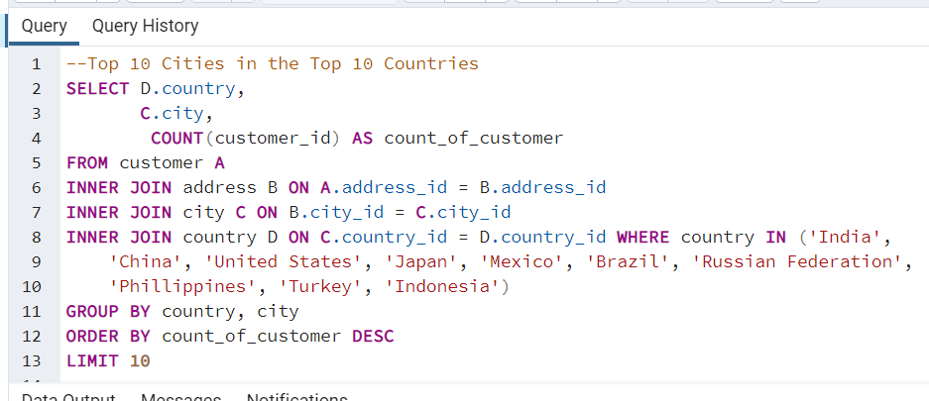
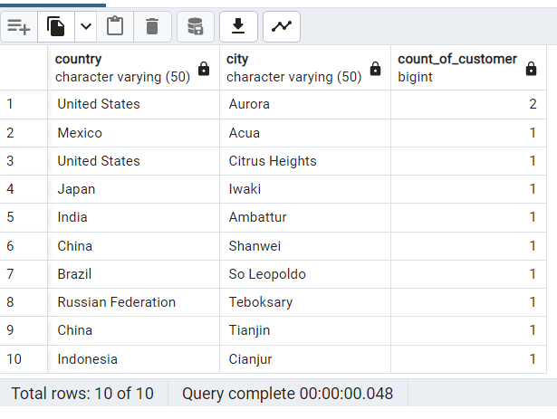
Cities with the Most Number of Customers & Revenue

High Lifetime Value Cust
 | Customers with the Highest Lifetime Value
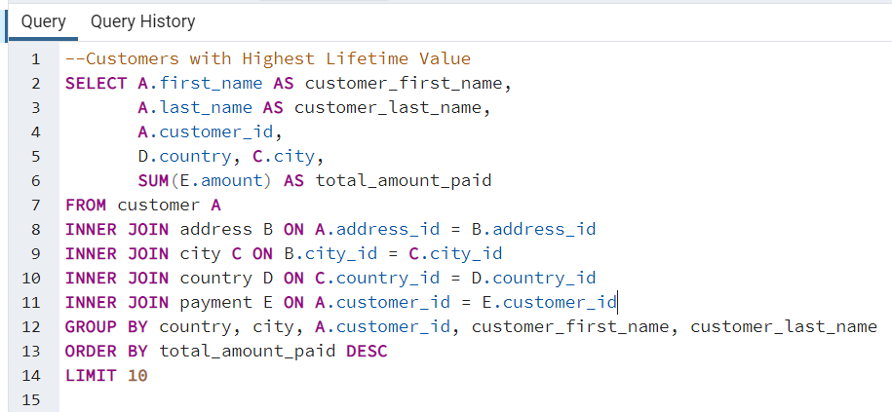
 |  |  |  |  | customer_first_name | customer_last_name | customer_id | country | city | total_amount_paid
 |  |  |  |  | Eleanor | Hunt | 148 | Runion | Saint-Denis | 211.55
 |  |  |  |  | Karl | Seal | 526 | United States | Cape Coral | 208.58
 |  |  |  |  | Marion | Snyder | 178 | Brazil | Santa Brbara dOeste | 194.61
 |  |  |  |  | Rhonda | Kennedy | 137 | Netherlands | Apeldoorn | 191.62
 |  |  |  |  | Clara | Shaw | 144 | Belarus | Molodetno | 189.6
 |  |  |  |  | Tommy | Collazo | 459 | Iran | Qomsheh | 183.63
 |  |  |  |  | Ana | Bradley | 181 | United States | Memphis | 167.67
 |  |  |  |  | Curtis | Irby | 410 | Canada | Richmond Hill | 167.62
 |  |  |  |  | Marcia | Dean | 236 | Philippines | Tanza | 166.61
 |  |  |  |  | Mike | Way | 403 | India | Valparai | 162.67

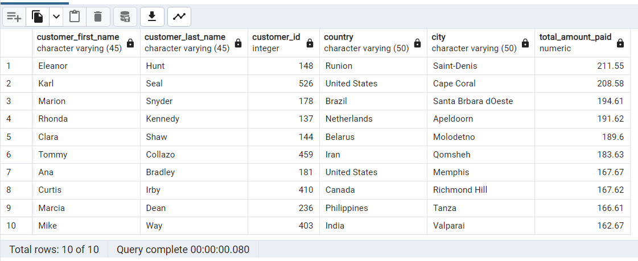

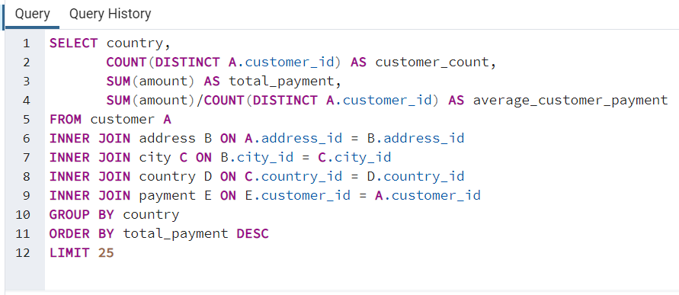

 | country | customer_count | total_payment | average_customer_payment
1 | India | 60 | $6,034.78 | $100.58
2 | China | 53 | $5,251.03 | $99.08
3 | United States | 36 | $3,685.31 | $102.37
4 | Japan | 31 | $3,122.51 | $100.73
5 | Mexico | 30 | $2,984.82 | $99.49
6 | Brazil | 28 | $2,919.19 | $104.26
7 | Russian Federation | 28 | $2,765.62 | $98.77
8 | Philippines | 20 | $2,219.70 | $110.99
9 | Turkey | 15 | $1,498.49 | $99.90
10 | Indonesia | 14 | $1,352.69 | $96.62
11 | Nigeria | 13 | $1,314.92 | $101.15
12 | Argentina | 13 | $1,298.80 | $99.91
13 | Taiwan | 10 | $1,155.10 | $115.51
14 | South Africa | 11 | $1,069.46 | $97.22
15 | Iran | 8 | $877.96 | $109.75
16 | United Kingdom | 9 | $850.96 | $94.55
17 | Poland | 8 | $786.16 | $98.27
18 | Italy | 7 | $753.26 | $107.61
19 | Germany | 7 | $741.24 | $105.89
20 | Vietnam | 6 | $676.45 | $112.74
21 | Ukraine | 6 | $675.53 | $112.59
22 | Colombia | 6 | $661.54 | $110.26
23 | Egypt | 6 | $659.48 | $109.91
24 | Venezuela | 7 | $632.43 | $90.35
25 | Canada | 5 | $559.70 | $111.94
 | Total: |  | $44,547.13
 | Average: |  |  | $103.62

